note
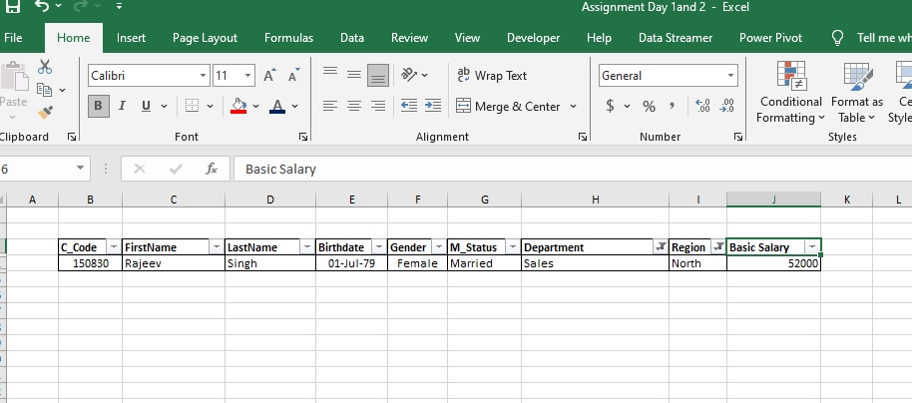
The northern salay department has data set hes only one entry so that's why it's why it's give answer 52000

